Sheet1
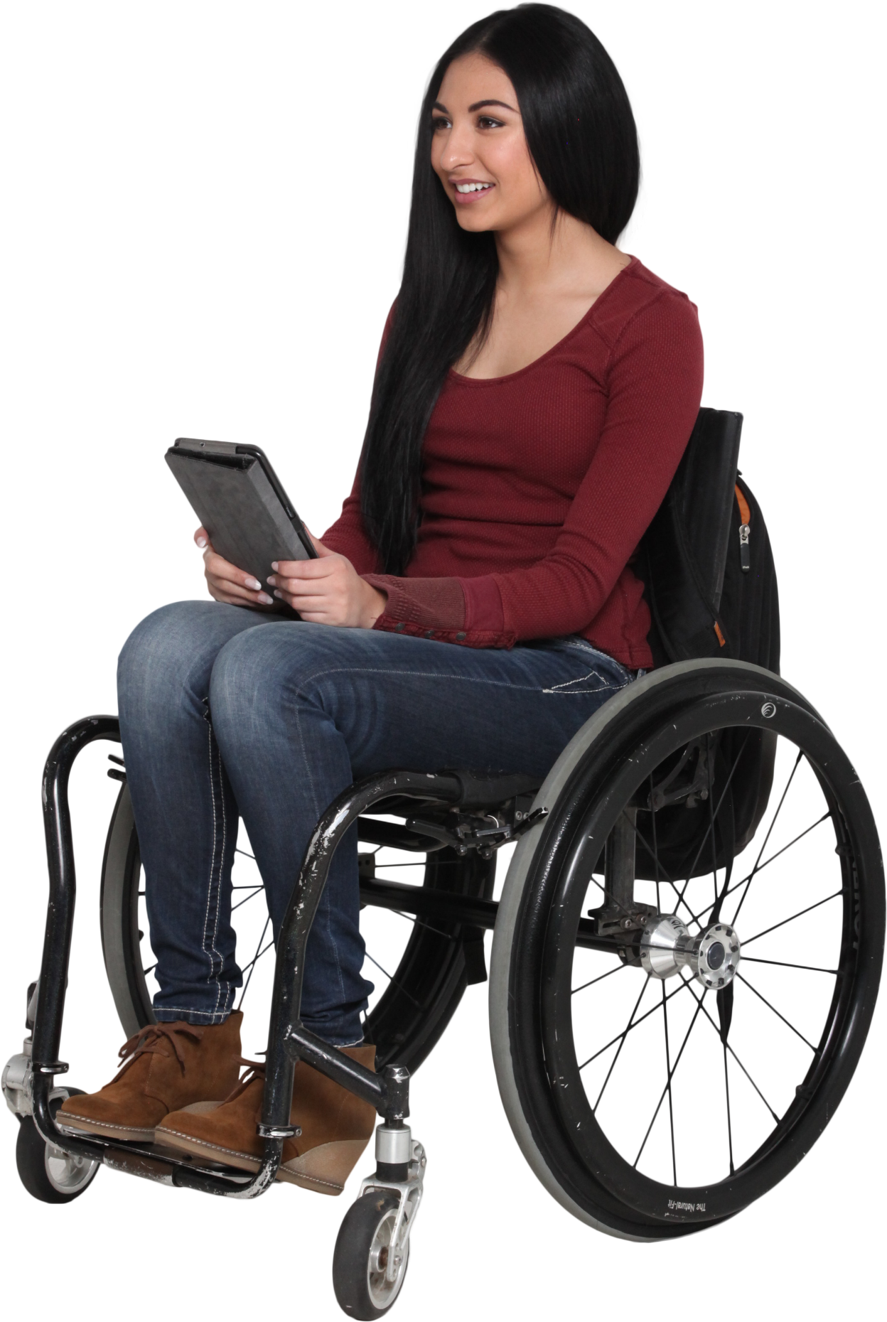
Answer Expected
7
A

For the given number in A2, generate those many English alphabets starting with A. Every succeeding alphabet will be separated by 1, 2, 3...blanks. A2 will never exceed 26.
B

C

D

E

F

G

